Entry Form
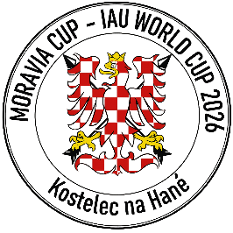
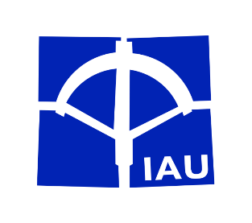
IAU WORLD CUP - 3rd MORAVIA CUP
Kostelec na Hané, Czech Republic
26th to 28th June 2026

Email: hanka.nedel@seznam.cz
Email: office@iau-crossbow.org
Entry Form
To be returned by June 12th 2026. Late registration will be charged with additional 50 EUR per person. Please return as .xlsx file to both of the above stated emails.

Federation/Club:
Address:
Contact phone: |  |  | E-mail:

No. | SURNAME Name | Gender (Men/Women) | Banquet (Yes/No) | Category Moravia Cup (M, W, J, C, SM, SW) | IAU ID Number (Yes/No/Pending)
1
2
3
4
5
6
7
8
9
10
11
12
13
14
15
16
17
18
19
20

No. | SURNAME Name |  | Banquet (Yes/No) | Officials/Accompanying persons
1
2
3
4
5

 | (Date) |  | (Signature)

